Calibration Curves
Calibration Curves in Calibration Units
 |  |  |  |  | Cor. Coef:
 | Ca 317.933 |  | Equ: Linear Calculated Intercept |  | 0.999742
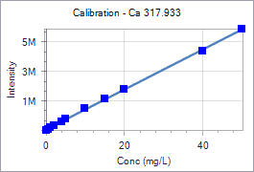
 | Sample Id | Corrected Intensity | Entered Conc. | Calculated Cal Unit Conc. | % Residual Error
 | Calib Blank 1 | 0.0 | 0.000 | -0.404 | N/A
 | Calib Std 1 | 76670.8 | 0.500 | 0.162 | -67.52
 | Calib Std 2 | 193995.8 | 1.000 | 1.029 | 2.91
 | Calib Std 3 | 307451.4 | 2.000 | 1.867 | -6.64
 | Calib Std 4 | 606008.4 | 4.000 | 4.073 | 1.82
 | Calib Std 5 | 763918.6 | 5.000 | 5.239 | 4.78
 | Calib Std 6 | 1460809.8 | 10.000 | 10.387 | 3.87
 | Calib Std 7 | 2140289.6 | 15.000 | 15.407 | 2.71
 | Calib Std 8 | 2789832.6 | 20.000 | 20.205 | 1.02
 | Calib Std 9 | 5359799.0 | 40.000 | 39.190 | -2.03
 | Calib Std 10 | 6869980.1 | 50.000 | 50.345 | 0.69

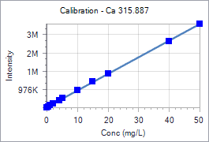
 |  |  |  |  | Cor. Coef:
 | Ca 315.887 |  | Equ: Linear Calculated Intercept |  | 0.999852
 | Sample Id | Corrected Intensity | Entered Conc. | Calculated Cal Unit Conc. | % Residual Error
 | Calib Blank 1 | 0.0 | 0.000 | -0.365 | N/A
 | Calib Std 1 | 50077.9 | 0.500 | 0.187 | -62.69
 | Calib Std 2 | 127138.7 | 1.000 | 1.036 | 3.56
 | Calib Std 3 | 201712.3 | 2.000 | 1.857 | -7.13
 | Calib Std 4 | 399001.9 | 4.000 | 4.031 | 0.78
 | Calib Std 5 | 503835.0 | 5.000 | 5.186 | 3.73
 | Calib Std 6 | 968293.8 | 10.000 | 10.304 | 3.04
 | Calib Std 7 | 1429768.3 | 15.000 | 15.389 | 2.59
 | Calib Std 8 | 1873041.2 | 20.000 | 20.273 | 1.37
 | Calib Std 9 | 3618851.5 | 40.000 | 39.510 | -1.23
 | Calib Std 10 | 4579309.8 | 50.000 | 50.093 | 0.19

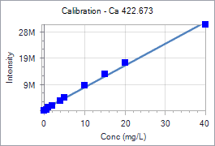
 |  |  |  |  | Cor. Coef:
 | Ca 422.673 |  | Equ: Linear Calculated Intercept |  | 0.997832
 | Sample Id | Corrected Intensity | Entered Conc. | Calculated Cal Unit Conc. | % Residual Error
 | Calib Blank 1 | 0.0 | 0.000 | -0.652 | N/A
 | Calib Std 1 | 427720.4 | 0.500 | -0.137 | -127.31
 | Calib Std 2 | 1110628.1 | 1.000 | 0.686 | -31.41
 | Calib Std 3 | 1830230.2 | 2.000 | 1.553 | -22.37
 | Calib Std 4 | 3801743.0 | 4.000 | 3.927 | -1.82
 | Calib Std 5 | 4846575.1 | 5.000 | 5.186 | 3.71
 | Calib Std 6 | 9453246.2 | 10.000 | 10.734 | 7.34
 | Calib Std 7 | 13978481.5 | 15.000 | 16.184 | 7.89
 | Calib Std 8 | 18183110.5 | 20.000 | 21.248 | 6.24
 | Calib Std 9 | 32731523.0 | 40.000 | 38.771 | -3.07

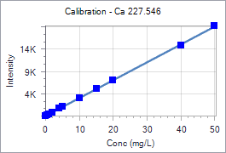
 |  |  |  |  | Cor. Coef:
 | Ca 227.546 |  | Equ: Linear Calculated Intercept |  | 0.999866
 | Sample Id | Corrected Intensity | Entered Conc. | Calculated Cal Unit Conc. | % Residual Error
 | Calib Blank 1 | 0.0 | 0.000 | -0.072 | N/A
 | Calib Std 1 | 170.6 | 0.500 | 0.355 | -29.06
 | Calib Std 2 | 447.1 | 1.000 | 1.046 | 4.60
 | Calib Std 3 | 805.3 | 2.000 | 1.942 | -2.92
 | Calib Std 4 | 1634.4 | 4.000 | 4.015 | 0.37
 | Calib Std 5 | 2102.9 | 5.000 | 5.186 | 3.72
 | Calib Std 6 | 4085.8 | 10.000 | 10.144 | 1.44
 | Calib Std 7 | 6050.3 | 15.000 | 15.055 | 0.37
 | Calib Std 8 | 8047.0 | 20.000 | 20.047 | 0.24
 | Calib Std 9 | 15754.6 | 40.000 | 39.318 | -1.70
 | Calib Std 10 | 20212.7 | 50.000 | 50.464 | 0.93

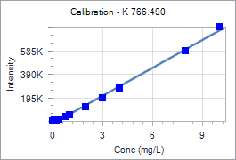
 |  |  |  |  | Cor. Coef:
 | K 766.490 |  | Equ: Linear Calculated Intercept |  | 0.997799
 | Sample Id | Corrected Intensity | Entered Conc. | Calculated Cal Unit Conc. | % Residual Error
 | Calib Blank 1 | 0.0 | 0.000 | 0.244 | N/A
 | Calib Std 1 | 3912.0 | 0.100 | 0.293 | 193.17
 | Calib Std 2 | 9276.0 | 0.200 | 0.361 | 80.57
 | Calib Std 3 | 18294.4 | 0.400 | 0.475 | 18.86
 | Calib Std 4 | 40281.4 | 0.800 | 0.754 | -5.74
 | Calib Std 5 | 54233.8 | 1.000 | 0.931 | -6.91
 | Calib Std 6 | 118916.0 | 2.000 | 1.751 | -12.47
 | Calib Std 7 | 193715.6 | 3.000 | 2.698 | -10.05
 | Calib Std 8 | 282230.4 | 4.000 | 3.820 | -4.50
 | Calib Std 9 | 595530.3 | 8.000 | 7.790 | -2.62
 | Calib Std 10 | 800111.9 | 10.000 | 10.383 | 3.83

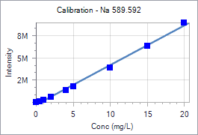
 |  |  |  |  | Cor. Coef:
 | Na 589.592 |  | Equ: Linear Calculated Intercept |  | 0.997731
 | Sample Id | Corrected Intensity | Entered Conc. | Calculated Cal Unit Conc. | % Residual Error
 | Calib Blank 1 | 0.0 | 0.000 | 0.594 | N/A
 | Calib Std 1 | 144545.7 | 0.500 | 0.864 | 72.88
 | Calib Std 2 | 328086.2 | 1.000 | 1.208 | 20.78
 | Calib Std 3 | 703293.0 | 2.000 | 1.910 | -4.52
 | Calib Std 4 | 1590596.8 | 4.000 | 3.570 | -10.76
 | Calib Std 5 | 2107987.6 | 5.000 | 4.537 | -9.25
 | Calib Std 6 | 4681416.1 | 10.000 | 9.352 | -6.48
 | Calib Std 7 | 7594055.4 | 15.000 | 14.800 | -1.33
 | Calib Std 8 | 10729186.6 | 20.000 | 20.665 | 3.33

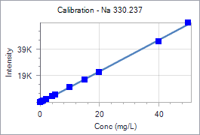
 |  |  |  |  | Cor. Coef:
 | Na 330.237 |  | Equ: Linear Calculated Intercept |  | 0.999563
 | Sample Id | Corrected Intensity | Entered Conc. | Calculated Cal Unit Conc. | % Residual Error
 | Calib Blank 1 | 0.0 | 0.000 | 0.358 | N/A
 | Calib Std 1 | 422.4 | 0.500 | 0.717 | 43.50
 | Calib Std 2 | 1007.3 | 1.000 | 1.216 | 21.58
 | Calib Std 3 | 2067.1 | 2.000 | 2.118 | 5.92
 | Calib Std 4 | 4299.2 | 4.000 | 4.020 | 0.49
 | Calib Std 5 | 5571.6 | 5.000 | 5.104 | 2.07
 | Calib Std 6 | 11037.1 | 10.000 | 9.759 | -2.41
 | Calib Std 7 | 16593.5 | 15.000 | 14.492 | -3.39
 | Calib Std 8 | 22475.5 | 20.000 | 19.502 | -2.49
 | Calib Std 9 | 45584.4 | 40.000 | 39.186 | -2.03
 | Calib Std 10 | 59485.7 | 50.000 | 51.027 | 2.05

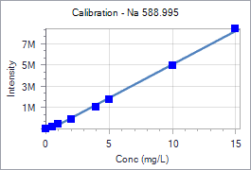
 |  |  |  |  | Cor. Coef:
 | Na 588.995 |  | Equ: Linear Calculated Intercept |  | 0.998491
 | Sample Id | Corrected Intensity | Entered Conc. | Calculated Cal Unit Conc. | % Residual Error
 | Calib Blank 1 | 0.0 | 0.000 | 0.396 | N/A
 | Calib Std 1 | 187071.2 | 0.500 | 0.693 | 38.61
 | Calib Std 2 | 425176.2 | 1.000 | 1.071 | 7.09
 | Calib Std 3 | 915294.7 | 2.000 | 1.849 | -7.57
 | Calib Std 4 | 2054960.5 | 4.000 | 3.657 | -8.57
 | Calib Std 5 | 2719271.2 | 5.000 | 4.712 | -5.77
 | Calib Std 6 | 5911482.0 | 10.000 | 9.777 | -2.23
 | Calib Std 7 | 9419810.8 | 15.000 | 15.345 | 2.30

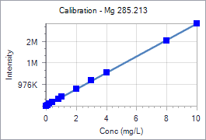
 |  |  |  |  | Cor. Coef:
 | Mg 285.213 |  | Equ: Linear Calculated Intercept |  | 0.999880
 | Sample Id | Corrected Intensity | Entered Conc. | Calculated Cal Unit Conc. | % Residual Error
 | Calib Blank 1 | 0.0 | 0.000 | -0.064 | N/A
 | Calib Std 1 | 42349.2 | 0.100 | 0.047 | -52.52
 | Calib Std 2 | 99153.3 | 0.200 | 0.198 | -1.23
 | Calib Std 3 | 168291.9 | 0.400 | 0.380 | -4.95
 | Calib Std 4 | 332101.2 | 0.800 | 0.813 | 1.62
 | Calib Std 5 | 415906.7 | 1.000 | 1.034 | 3.44
 | Calib Std 6 | 799535.6 | 2.000 | 2.048 | 2.39
 | Calib Std 7 | 1183817.1 | 3.000 | 3.063 | 2.10
 | Calib Std 8 | 1558543.9 | 4.000 | 4.053 | 1.33
 | Calib Std 9 | 3015685.0 | 8.000 | 7.903 | -1.22
 | Calib Std 10 | 3818962.2 | 10.000 | 10.025 | 0.25

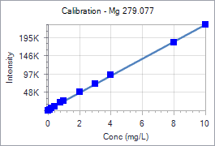
 |  |  |  |  | Cor. Coef:
 | Mg 279.077 |  | Equ: Linear Calculated Intercept |  | 0.999757
 | Sample Id | Corrected Intensity | Entered Conc. | Calculated Cal Unit Conc. | % Residual Error
 | Calib Blank 1 | 0.0 | 0.000 | -0.093 | N/A
 | Calib Std 1 | 2698.2 | 0.100 | 0.024 | -76.37
 | Calib Std 2 | 6387.7 | 0.200 | 0.183 | -8.64
 | Calib Std 3 | 10666.5 | 0.400 | 0.367 | -8.19
 | Calib Std 4 | 21150.9 | 0.800 | 0.819 | 2.41
 | Calib Std 5 | 26447.5 | 1.000 | 1.048 | 4.77
 | Calib Std 6 | 50537.2 | 2.000 | 2.086 | 4.32
 | Calib Std 7 | 73437.9 | 3.000 | 3.074 | 2.46
 | Calib Std 8 | 97215.0 | 4.000 | 4.099 | 2.48
 | Calib Std 9 | 184848.2 | 8.000 | 7.878 | -1.53
 | Calib Std 10 | 234397.3 | 10.000 | 10.015 | 0.15

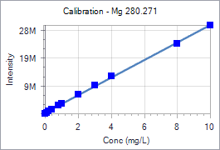
 |  |  |  |  | Cor. Coef:
 | Mg 280.271 |  | Equ: Linear Calculated Intercept |  | 0.999611
 | Sample Id | Corrected Intensity | Entered Conc. | Calculated Cal Unit Conc. | % Residual Error
 | Calib Blank 1 | 0.0 | 0.000 | -0.114 | N/A
 | Calib Std 1 | 378393.2 | 0.100 | 0.006 | -93.91
 | Calib Std 2 | 881057.5 | 0.200 | 0.165 | -17.30
 | Calib Std 3 | 1494944.0 | 0.400 | 0.360 | -10.01
 | Calib Std 4 | 2909654.6 | 0.800 | 0.808 | 1.04
 | Calib Std 5 | 3631399.4 | 1.000 | 1.037 | 3.70
 | Calib Std 6 | 6920935.2 | 2.000 | 2.080 | 3.98
 | Calib Std 7 | 10279033.3 | 3.000 | 3.144 | 4.79
 | Calib Std 8 | 13477504.4 | 4.000 | 4.157 | 3.94
 | Calib Std 9 | 25275798.0 | 8.000 | 7.897 | -1.29
 | Calib Std 10 | 31784747.7 | 10.000 | 9.959 | -0.41

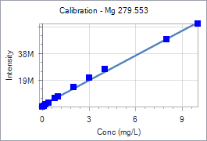
 |  |  |  |  | Cor. Coef:
 | Mg 279.553 |  | Equ: Linear Calculated Intercept |  | 0.998686
 | Sample Id | Corrected Intensity | Entered Conc. | Calculated Cal Unit Conc. | % Residual Error
 | Calib Blank 1 | 0.0 | 0.000 | -0.198 | N/A
 | Calib Std 1 | 814968.7 | 0.100 | -0.067 | -166.80
 | Calib Std 2 | 1892917.9 | 0.200 | 0.107 | -46.47
 | Calib Std 3 | 3169235.5 | 0.400 | 0.313 | -21.77
 | Calib Std 4 | 6231578.4 | 0.800 | 0.807 | 0.85
 | Calib Std 5 | 7781023.4 | 1.000 | 1.057 | 5.67
 | Calib Std 6 | 14678127.7 | 2.000 | 2.169 | 8.45
 | Calib Std 7 | 21449394.2 | 3.000 | 3.261 | 8.71
 | Calib Std 8 | 27849032.1 | 4.000 | 4.293 | 7.33
 | Calib Std 9 | 50418073.4 | 8.000 | 7.933 | -0.83
 | Calib Std 10 | 62144349.0 | 10.000 | 9.825 | -1.75

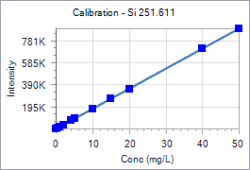
 |  |  |  |  | Cor. Coef:
 | Si 251.611 |  | Equ: Linear Calculated Intercept |  | 0.999994
 | Sample Id | Corrected Intensity | Entered Conc. | Calculated Cal Unit Conc. | % Residual Error
 | Calib Blank 1 | 0.0 | 0.000 | -0.068 | N/A
 | Calib Std 1 | 9121.2 | 0.500 | 0.434 | -13.12
 | Calib Std 2 | 19987.0 | 1.000 | 1.033 | 3.26
 | Calib Std 3 | 36424.8 | 2.000 | 1.938 | -3.12
 | Calib Std 4 | 74687.4 | 4.000 | 4.044 | 1.11
 | Calib Std 5 | 93435.9 | 5.000 | 5.076 | 1.53
 | Calib Std 6 | 183622.2 | 10.000 | 10.042 | 0.42
 | Calib Std 7 | 274246.4 | 15.000 | 15.031 | 0.21
 | Calib Std 8 | 363992.6 | 20.000 | 19.972 | -0.14
 | Calib Std 9 | 728870.9 | 40.000 | 40.061 | 0.15
 | Calib Std 10 | 908213.5 | 50.000 | 49.935 | -0.13


 |  |  |  |  | Cor. Coef:
 | Si 212.412 |  | Equ: Linear Calculated Intercept |  | 0.999988
 | Sample Id | Corrected Intensity | Entered Conc. | Calculated Cal Unit Conc. | % Residual Error
 | Calib Blank 1 | 0.0 | 0.000 | -0.108 | N/A
 | Calib Std 1 | 2337.6 | 0.500 | 0.400 | -19.93
 | Calib Std 2 | 5093.1 | 1.000 | 1.000 | 0.01
 | Calib Std 3 | 9322.1 | 2.000 | 1.921 | -3.97
 | Calib Std 4 | 19076.2 | 4.000 | 4.043 | 1.09
 | Calib Std 5 | 23968.2 | 5.000 | 5.108 | 2.16
 | Calib Std 6 | 47023.4 | 10.000 | 10.126 | 1.26
 | Calib Std 7 | 69365.1 | 15.000 | 14.989 | -0.08
 | Calib Std 8 | 92861.5 | 20.000 | 20.102 | 0.51
 | Calib Std 9 | 184090.3 | 40.000 | 39.958 | -0.10
 | Calib Std 10 | 230048.6 | 50.000 | 49.961 | -0.08

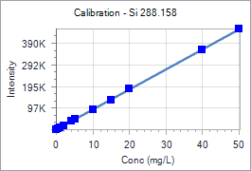
 |  |  |  |  | Cor. Coef:
 | Si 288.158 |  | Equ: Linear Calculated Intercept |  | 0.999944
 | Sample Id | Corrected Intensity | Entered Conc. | Calculated Cal Unit Conc. | % Residual Error
 | Calib Blank 1 | 0.0 | 0.000 | -0.084 | N/A
 | Calib Std 1 | 4660.8 | 0.500 | 0.419 | -16.12
 | Calib Std 2 | 10299.9 | 1.000 | 1.029 | 2.87
 | Calib Std 3 | 18850.9 | 2.000 | 1.953 | -2.36
 | Calib Std 4 | 38587.8 | 4.000 | 4.085 | 2.14
 | Calib Std 5 | 48309.9 | 5.000 | 5.136 | 2.72
 | Calib Std 6 | 94336.5 | 10.000 | 10.110 | 1.10
 | Calib Std 7 | 138338.7 | 15.000 | 14.864 | -0.90
 | Calib Std 8 | 186916.8 | 20.000 | 20.114 | 0.57
 | Calib Std 9 | 367226.7 | 40.000 | 39.597 | -1.01
 | Calib Std 10 | 466062.4 | 50.000 | 50.277 | 0.55

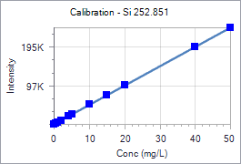
 |  |  |  |  | Cor. Coef:
 | Si 252.851 |  | Equ: Linear Calculated Intercept |  | 0.999989
 | Sample Id | Corrected Intensity | Entered Conc. | Calculated Cal Unit Conc. | % Residual Error
 | Calib Blank 1 | 0.0 | 0.000 | -0.080 | N/A
 | Calib Std 1 | 2457.5 | 0.500 | 0.412 | -17.69
 | Calib Std 2 | 5437.3 | 1.000 | 1.007 | 0.74
 | Calib Std 3 | 10044.3 | 2.000 | 1.929 | -3.56
 | Calib Std 4 | 20594.4 | 4.000 | 4.039 | 0.96
 | Calib Std 5 | 25852.6 | 5.000 | 5.090 | 1.80
 | Calib Std 6 | 50873.7 | 10.000 | 10.094 | 0.94
 | Calib Std 7 | 75222.7 | 15.000 | 14.963 | -0.25
 | Calib Std 8 | 101052.2 | 20.000 | 20.129 | 0.64
 | Calib Std 9 | 200060.3 | 40.000 | 39.928 | -0.18
 | Calib Std 10 | 250374.0 | 50.000 | 49.990 | -0.02

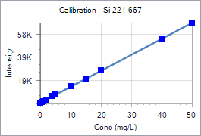
 |  |  |  |  | Cor. Coef:
 | Si 221.667 |  | Equ: Linear Calculated Intercept |  | 0.999971
 | Sample Id | Corrected Intensity | Entered Conc. | Calculated Cal Unit Conc. | % Residual Error
 | Calib Blank 1 | 0.0 | 0.000 | -0.162 | N/A
 | Calib Std 1 | 697.9 | 0.500 | 0.341 | -31.82
 | Calib Std 2 | 1557.7 | 1.000 | 0.960 | -3.98
 | Calib Std 3 | 2861.0 | 2.000 | 1.899 | -5.05
 | Calib Std 4 | 5838.1 | 4.000 | 4.043 | 1.08
 | Calib Std 5 | 7338.3 | 5.000 | 5.124 | 2.48
 | Calib Std 6 | 14383.8 | 10.000 | 10.199 | 1.99
 | Calib Std 7 | 21151.6 | 15.000 | 15.074 | 0.49
 | Calib Std 8 | 28237.2 | 20.000 | 20.178 | 0.89
 | Calib Std 9 | 55661.3 | 40.000 | 39.931 | -0.17
 | Calib Std 10 | 69518.3 | 50.000 | 49.913 | -0.17

